Source-Wiki
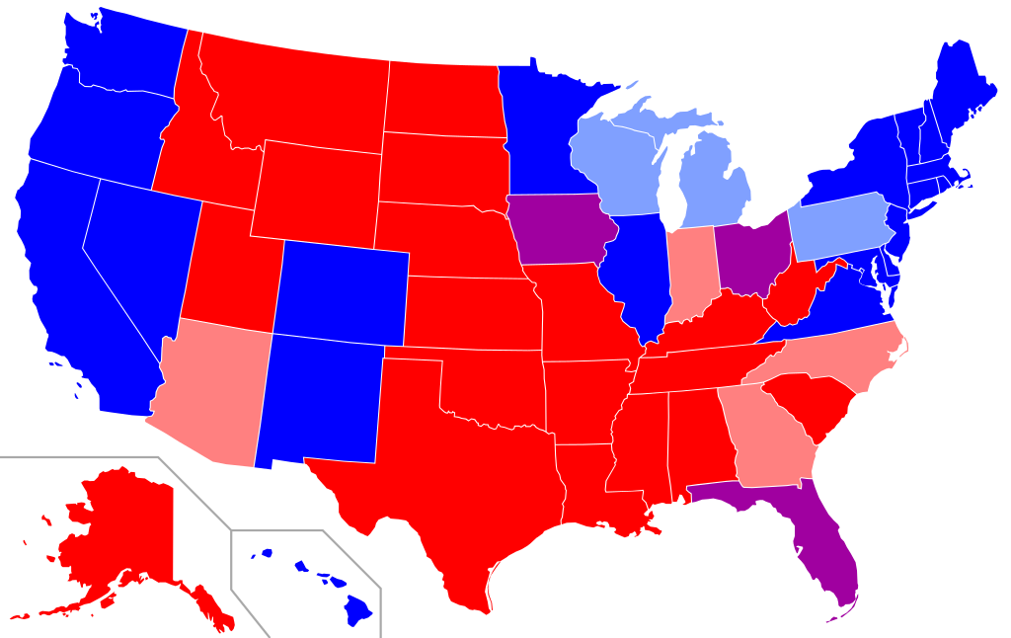

Summary of statewide results of the 2008, 2012, 2016 and 2020 presidential elections by state Won by the Republicans in all four elections Won by the Republicans in three of the four elections Won by each party twice in the four elections Won by the Democrats in three of the four elections Won by the Democrats in all four elections

By Angr - self-made; base map is Image:Blank US Map.svg, CC BY-SA 3.0, https://commons.wikimedia.org/w/index.php?curid=3532565

Source: https://en.wikipedia.org/wiki/Red_states_and_blue_states#/media/File:Red_state,_blue_state.svg

